US Forestland
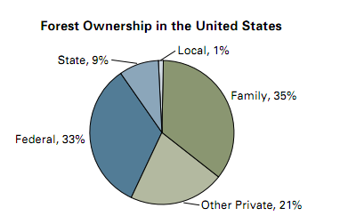
264,000,000 | acres of family forest ownership

747,000,000 | acres total U.S.
261,450,000 | Family ownerships
156,870,000 | Other private

